Аркуш1
Pimenau Dzmitry |  | 2021-04-02
Link to the task: https://drive.google.com/file/
Task 1
Check-list
ID | Smoke test
1 | Fill in ALL fields with VALID data (including -, '). Get a «Спасибо за регистрацию» message, Get the message Thank you, get into your personal account.
2 | Fill IN ALL REQUIRED fields with VALID data. Get the message "Thank you for registering", Get the message "Thank you", log in to your personal account.
3 | Do not fill in any of the required fields. Check the error output when trying to register.
4 | Reload the page with partially entered data, check whether the entered data is saved
ID | Critical Path Test
5 | In the field 1,2 enter
 | 1) empty field
 | 2) enter 1 letter
 | 3) enter 199 letters
 | 4) enter 200 letters
 | 5) enter 201 letters
6 | In the field 1,2 enter
 | 1) a space before the letters
 | 2) space between letters
 | 3) a space after the letters
 | 4) space only
 | 5) special characters | *Extended
 | 6) numbers
 | 7) TWO LETTERS WITH A LARGE CASE
 | 8) A LETTER WITH a large letter with a small case
 | 9) Checking input in different languages
7 | In field 4, try entering
 | 1) letters
 | 2) space
8 | In fields 5, 6, 7, 8, 9, 14 try inserting a value using ctrl+v
9 | In the field 9,10,11 enter
 | 1) empty field
 | 2) enter 1 character
 | 3) enter 19 characters
 | 4) enter 20 characters
 | 5) enter 21 characters
10 | In the field 9,10,11 enter
 | 1) a space before the letters
 | 2) space between letters
 | 3) a space after the letters
 | 4) space only
 | 5) special characters | *Extended
 | 6) numbers
 | 7) TWO LETTERS WITH A LARGE CASE
 | 8) A LETTER WITH a large letter with a small case
 | 9) Checking input in different languages
11 | Enter the same values in the field 9,10, 11
12 | Enter the email according to the RFC standard in field 12
13 | Enter an email address that violates the RFC standard in field 12
 | 1) Do not enter the sign @
 | 2) With non-Latin letters
 | 3) Without a dot in the email address
 | 4) with a non-existent domain ending
14 | Enter a non-existent e-mail address, check whether the registration will take place with this e-mail
15 | Check the registration confirmation without filling in the field 11
16 | In field 16, download
 | 1) different file format
 | 2) the correct format with a size of more than 50 kb
 | 3) the correct format with a resolution of more than 500 by 500 pixels
 | 4) empty file | *Extended

Task 2
Test-cases
ID | Summary | Steps | Exp. result | Type
1 | Fill in ALL fields with VALID data | 1. Fill in ALL fields with VALID data (including -, ') 2. Sending the result | The message "Thank you for registering" is displayed, you are redirected to your personal account | Smoke
2 | Fill IN ALL REQUIRED fields with VALID data | 1. Fill IN ALL REQUIRED fields with VALID data 2. Sending the result | The message "Thank you for registering" is displayed, you are redirected to your personal account | Smoke
3 | Do not fill in any of the required fields | 1. Do not fill in any of the required fields 2. Sending the result | The form is displayed again. At the top of the form is a list of errors in filling out the form | Smoke
4 | Reload the page with partially entered data | 1. Fill in the first three fields 2. Reload the page | The entered data is saved | Smoke
5 | In the field 1 enter empty field | 1. In the field 1 enter empty field 2. Sending the result | The error is shown at the top of the form | Critical path
6 | In the field 1 enter 1 letter | 1. In the field 1 enter 1 letter 2. Sending the result | TBD (is there a minimum number of characters?) | Critical path
7 | In the field 1 enter enter 199 letters | 1. In the field 1 enter enter 199 letters 2. Sending the result | Success | Critical path
8 | In the field 1 enter 200 letters | 1. In the field 1 enter 200 letters 2. Sending the result | TBD | Critical path
9 | In the field 1 enter 201 letters | 1. In the field 1 enter 201 letters 2. Sending the result | The error is shown at the top of the form | Critical path
10 | In the field 1 enter a space before the letters | 1. In the field 1 enter a space before the letters 2. Sending the result | Success | Critical path
11 | In the field 1 enter space between letters | 1. In the field 1 enter space between letters 2. Sending the result | Success | Critical path
12 | In the field 1 enter a space after the letters | 1. In the field 1 enter a space after the letters 2. Sending the result | Success | Critical path
13 | In the field 1 enter space only | 1. In the field 1 enter space only 2. Sending the result | The error is shown at the top of the form | Critical path
14 | In the field 1 enter special characters | 1. In the field 1 enter special characters 2. Sending the result | The error is shown at the top of the form | Critical path
15 | In the field 1 enter numbers | 1. In the field 1 enter numbers 2. Sending the result | The error is shown at the top of the form | Critical path
16 | In the field 1 TWO LETTERS WITH A LARGE CASE | 1. In the field 1 TWO LETTERS WITH A LARGE CASE 2. Sending the result | Success | Critical path
17 | In the field 1 enter A LETTER WITH a large letter with a small case | 1. "In the field 1 enter A LETTER WITH a large letter with a small case" 2. Sending the result | Success | Critical path
18 | In the field 1. Checking input in different languages | 1. Checking input in different languages 2. Sending the result | TBD | Critical path
19-32 | For field 2 repeat cases 5-18 | see the cases 5-18 | see the cases 5-19 | Critical path
33 | In field 4, try entering letters | 1. In field 4 enter the letters 2. Sending the result | The error is shown at the top of the form | Critical path
34 | In field 4, try entering space | 1. In field 4 enter space 2. Sending the result | The error is shown at the top of the form | Critical path
35-40 | In fields 5, 6, 7, 8, 9, 14 try inserting a value using ctrl+v | 1. In the corresponding field, make an insert ctrl+v 2. Sending the result | The error is shown at the top of the form | Critical path
 | In the field 9 |  |  | Critical path
41 | empty field | 1. In field 9 enter empty field 2. Sending the result | The error is shown at the top of the form | Critical path
42 | enter 1 character | 1. In field 9 enter enter 1 character 2. Sending the result | TBD | Critical path
43 | enter 19 characters | 1. In field 9 enter enter 19 character 2. Sending the result | Success | Critical path
44 | enter 20 characters | 1. In field 9 enter enter 20 character 2. Sending the result | TBD | Critical path
45 | enter 21 characters | 1. In field 9 enter enter 21 character 2. Sending the result | The error is shown at the top of the form | Critical path
46 | a space before the letters | 1. In field 9 enter a space before the letters 2. Sending the result | TBD | Critical path
47 | space between letters | 1. In field 9 enter space between letters 2. Sending the result | TBD | Critical path
48 | a space after the letters | 1. In field 9 enter a space after the letters 2. Sending the result | TBD | Critical path
49 | space only | 1. In field 9 enter space only 2. Sending the result | The error is shown at the top of the form | Critical path
50 | special characters | 1. In field 9 enter special characters 2. Sending the result | The error is shown at the top of the form | Exctended
51 | numbers | 1. In field 9 enter numbers 2. Sending the result | Success | Critical path
52 | TWO LETTERS WITH A LARGE CASE | 1. In field 9 enter TWO LETTERS WITH A LARGE CASE | Success | Critical path
53 | A LETTER WITH a large letter with a small case | 1. In field 9 enter A LETTER WITH a large letter with a small case 2. Sending the result | Success | Critical path
54 | Checking input in different languages | 1. In field 9 Checking input in Germa language 2. Sending the result | TBD | Critical path
55-68 | For field 10 repeat cases 41-54 | see the cases 41-54 | see the cases 41-54 | Critical path
69-82 | For field 11 repeat cases 41-54 | see the cases 41-54 | see the cases 41-54 | Critical path
83 | Enter the same values in the field 9,10, 11 | 1. Enter the same values in the field 9,10, 11 2. Sending the result | The error is shown at the top of the form | Critical path
84 | Enter the email according to the RFC standard in field 12 | 1. Enter the email according to the RFC standard in field 12 2. Sending the result | Success | Critical path
85 | Entering an e-mail withot sign @ | 1. Entering an e-mail withot sign @ 2. Sending the result | The error is shown at the top of the form | Critical path
86 | Entering an e-mail with non-Latin letters | 1. Entering an e-mail with non-Latin letters 2. Sending the result | The error is shown at the top of the form | Critical path
87 | Entering an e-mail withot a dot in the email address | 1. Entering an e-mail withot a dot in the email address 2. Sending the result | The error is shown at the top of the form | Critical path
88 | Entering an e-mail with a non-existent domain ending | 1. Entering an e-mail with a non-existent domain ending 2. Sending the result | The error is shown at the top of the form | Critical path
89 | Enter a non-existent e-mail address, check whether the registration will take place with this e-mail | 1. Enter a non-existent e-mail address, check whether the registration will take place with this e-mail" 2. Sending the result | The user does not need to be registered | Critical path
90 | Check the registration confirmation without filling in the field 11 | 1. Enter the registration confirmation without filling in the field 11 2. Sending the result | The user does not need to be registered | Critical path
 | In field 16, download |  |  | Critical path
91 | different file format | 1. In field 16, upload a different file format from the requirements 2. Sending the result | The error is shown at the top of the form | Critical path
92 | the correct format with a size of more than 50 kb | 1. In field 16, upload the correct format with a size of more than 50 kb 2. Sending the result | The error is shown at the top of the form | Critical path
93 | the correct format with a resolution of more than 500 by 500 pixels | 1. In field 16, upload the correct format with a resolution of more than 500 by 500 pixels 2. Sending the result | The error is shown at the top of the form | Critical path
94 | empty file | 1. In field 16, upload empty file 2. Sending the result | The error is shown at the top of the form | Exctended

Task 3
Bug Report
BUG ID | Summary | Steps | Act. result | Exp. result | Severity
1 | There are no E-mail fields | 1. Open the window-app 2. Bug found | 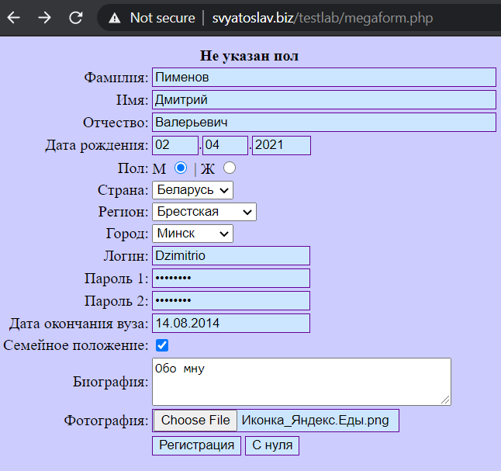 There are no E-mail field | There is an E-mail field Req. p 12 | S3
2 | There is no list for choosing a marital status | 1. Open the window-app 2. Bug found | There is no list for choosing a marital status | There is a list for choosing the marital status | S3
3 | The registration form does not work when filling in the field with valid data | 1. Open the window-app 2. Fill in the fields as shown in the picture 3. Enter the password using simple characters (enter passord) 4. Bug found |  When filling out the form with valid data, registration does not take place | the message "Спасибо за регистрацию" is displayed, after which a redirect to the user's personal account takes place in three seconds | S1

Task 4
TRR
 |  | quantity | percentages
 | Total test cases | 94
 | Completed test cases | 1 | 1,06 %
 | The tests haven't been passed yet | 93 | 98,94 %
 | Errors found | 3
 | Blocking errors found | 1
 | Time spent, min | 150
 | Note | Testing is suspended until the blocking error is fixed

